Calculator
Step 1 | Total Miles Traveled |  |  |  |  | Please uncheck box if workplace/campus |  |  |  |  |  | CWUR 3-50-245 Mileage Reimbursement
Step 2 | Total Number of Days |  |  |  |  | other than Ellensburg or if traveler is
Step 3 | Workplace Ellensburg Campus? |  |  |  |  | non-employee
Use This Value | Allowable Reimbursement |  | 0.00 |  |  |  |  |  |  |  |  | Reimbursement for mileage on the use of privately owned vehicles on official university business will be the lesser of either the state or motor pool rate:
 |  |  |  |  |  |  |  |  |  |  |  | The state mileage rate, based on the lesser of mileage traveled between:
 | Use This Expense Type | Mileage - Personal Vehicle Rate

 |  | State Rate
 |  | Total Miles Traveled |  | 0 | @ | 0.670 | = | ----------------> |  |  | 0.00 | 1. official station to destination, or
 |  |  |  |  |  | 1/1/2024 state rate changed to .67 |  |  |  |  |  | 2. official residence to destination

 |  | Motor Pool Rate |  |  |  |  |  |  |  |  |  | The motor pool rate of $24.00 per day plus $0.29 per mile with no free miles. (The motor pool rate is used regardless of the type of vehicle that would have been requested from motor pool.)
 |  | Total Miles Traveled |  | 0 |  |  |  | 0
 | \ |  |  | Subtotal |  |  |  | 0 | @ | 00 | 0.00 | Highway mileage between two points and vicinity mileage must be separately identified. Vicinity mileage (incurred when an individual travels within a city or local area for work) will be approved for its reasonableness while conducting official university business. Reimbursement for transporting a traveler to an airport will be limited to the mileage of a single round trip to the airport. Reimbursement of mileage for two round trips will be authorized where it is more economical instead of incurring long term parking fees. Each trip is considered completed upon return to official station or official residence.
 |  | Plus | Days | 0 | @ | $24.00 | = |  |  |  | 0.00
 |  |  |  | Total Motor Pool Rate |  |  |  | ---------------> |  |  | 0.00 | Employees attending the same conference, meeting or workshop are encouraged to coordinate their trips so they travel together. Mileage reimbursement may be denied for the use of a private vehicle if another private vehicle or motor pool car was available to accommodate the individual for the same trip.

 | Please include this document as an attachment in your expense report for auditing purposes. |  |  |  |  |  |  |  |  |  |  | Whenever two or more employees are traveling in one car on official business, mileage will be paid to only one of the employees on the same trip and in the same car. Operators and passengers of vehicles are limited to university employees and students while conducting official university business and operators must possess a valid driver's license.

 |  |  |  |  |  |  |  |  |  |  |  | Following are the exceptions where the traveler will receive mileage reimbursement at the state mileage rate:

 |  |  |  |  |  |  |  |  |  |  |  | The traveler's official station (not residence) is not Ellensburg.

 |  |  |  |  |  |  |  |  |  |  |  | The traveler is flying to his/her destination and the car will be left at the airport for a period of time that makes it economical to the state for the employee to use his/her own vehicle.
 |  |  |  |  |  |  |  |  |  |  |  | A motor pool vehicle is not available.

 |  |  |  |  |  |  |  |  |  |  |  | CWU approved travelers are encouraged to use a shuttle service when traveling to and from SeaTac International.

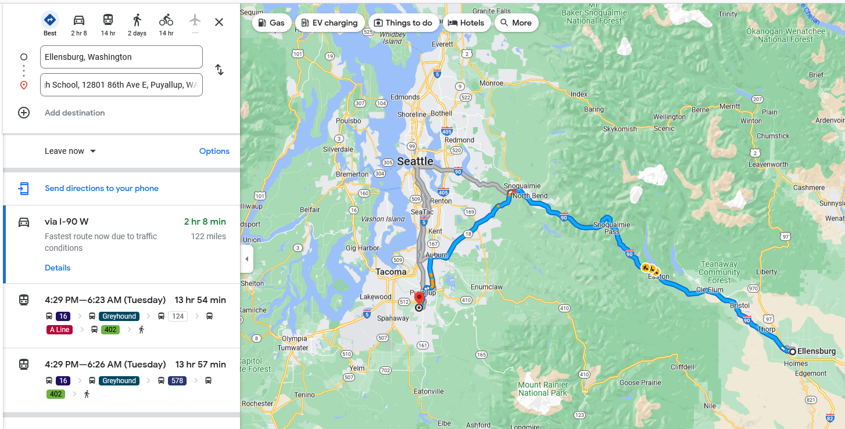
 |  |  |  |  |  |  |  |  |  |  |  | [08/04/2010, 1/1/2011; Responsibility: BFA; Authority: BAC, OFM (1/1/2011); Reviewed/Endorsed by: Cabinet/PAC; Review/Effective Date:04/17/2013; Approved by: James L. Gaudino, President]

 |  |  |  |  |  |  |  |  |  |  |  | CWUR Procedures Manual – Part 3
 |  |  |  |  |  |  |  |  |  |  |  | Business and Financial Affairs

