Sheet1
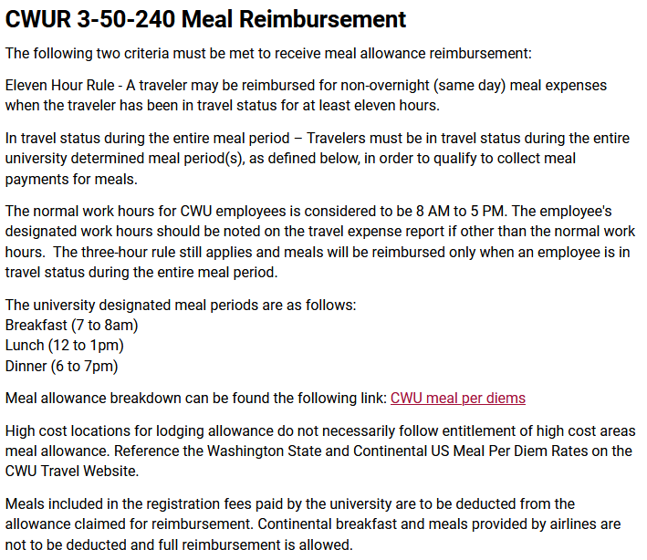
Per Diem Rates Per OFM - October 2023 thru Sept 2024

Meal Calculator
 |  |  | Instructions: Visit the links below to find the per diem rate you need.
Daily Rate |  |  | Enter that rate in the yellow box to the left. The dollar amounts next to each meal
Breakfast | 24% | $- | are calculated automatically for you.
Lunch | 28% | $- | If the total does not equal the daily rate, please add or remove the difference from dinner.
Dinner | 48% | $-
 | Total
 |  |  | Links:
 |  |  | USA | https://www.gsa.gov/travel/plan-book/per-diem-rates | Excludes Alaska and Hawaii
Note: The Per Diem Deductions tool in MyCWU
does not round per regulation. |  |  | AK & HI | http://www.defensetravel.dod.mil/site/perdiemCalc.cfm
Please find your amounts manually with this tool.
 |  |  | International | https://aoprals.state.gov/web920/per_diem.asp

 |  |  | Washington | https://ofm.wa.gov/accounting/administrative-accounting-resources/travel

